Request
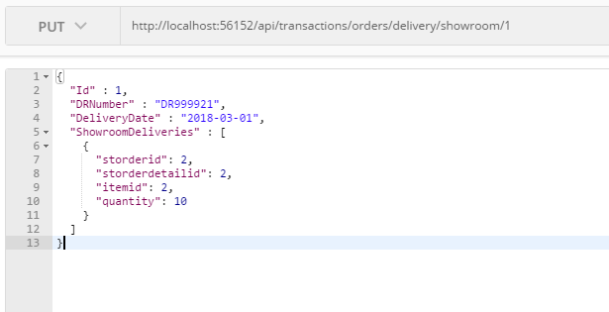
Parameter | Data Type | Length | Required | Unique | Remarks
Token | String |  | Yes |  | Bearer Token see AuthenticateAPI docu
Id | Int |  | Yes |  | STOrder.Id
DRNumber | String |  | Yes
DeliveryDate | Int |  | Yes
ShowroomDeliveries | Array
STOrdeId | Int |  | Yes |  | STOrder.Id
STOrderDetailId | Int |  | Yes |  | STOrderDetail.Id
ItemId | Int |  | Yes |  | Item.Id
Quantity | Int |  | Yes

Example

Response
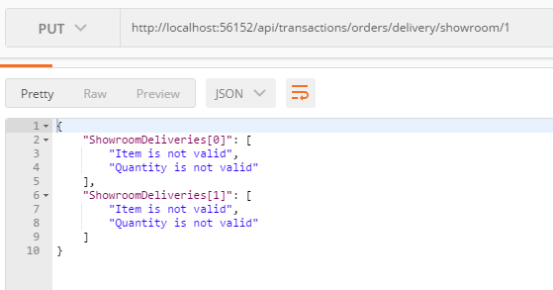
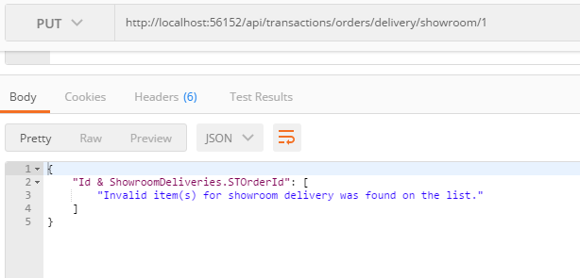
With Errors

